TestSummary
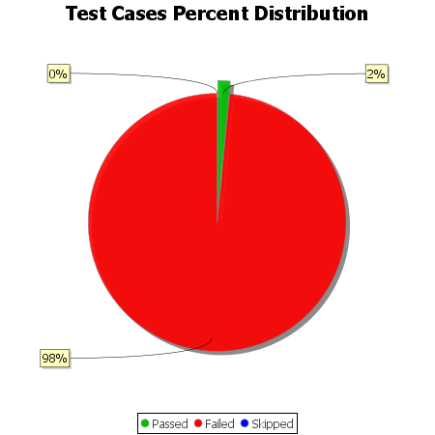
Total Test Cases | 129
Test Cases Passed | 2
Test Cases Failed | 127
Test Cases Skipped | 0

